User_Story
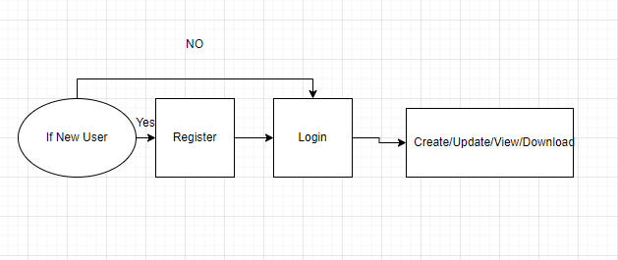
 |  |  | Team Genesis - Profile Management Project

 |  |  | User Stories

User story id | User | S.no | Action | Benefits | Acceptance criteria | Assumptions | Constraints
1 | Profile Creator | 1 | As a profile creator, I should be able to login the system(reused) | So I can enter the system | System login needs user credentials The credientials must be given by HR partners Credentials must be correct It sholud navigate to home page | Login page has two users credentials(Username, Password) Landing page is common for all users | If he/she enters wrong credentials,they can't enter the system
 |  | 2 | As a profile creator, I should be able to view my dashboard | So I can have the full control to my dashboard | It should navigate me to see my profile It should navigate me to see my profile history It should navigate me to change my password | My profile shows no profile created when user login first Profile history shows lastly approved 3 profile historys | To see my profile, he/she should have created the profile first To see profile history, history of changes should be stored in database
 |  | 3 | As a profile creator, I should be able to create my own profile | So I can create and view my own profile | It should show my personal, educational, project, achievements details | Master table to have a specific data for profile filters such as Project,Role,Domain The user gives the experience between the ranges. The Date of Joining and Break Duration to calculate the experience of user. The user want to request admin to add additional data in master table. After creating profile, creator should wait for reporting persons approval for his/her profile | User should have the access to create and view the profile To create profile user has to fill all the mandatory fields(Personal,Educational,Project,Skilss,Awards& Certifications)
 |  | 4 | As a profile creator, I should be able to update my profile | So I can see my updated profile | I should be able to see the updated changes in my profile | After updating profile creator should wait for reporting persons approval for his/her profile | User should have the access to update the profile Updated profile must be viewed in organisation's template
 |  | 5 | As a profile creator, I should be able to export my profile | So I can export my profile | I should be able to download and view the profile in organisation's template | Exported profile should be stored in the local system | Exported profile should be in organization's template
 |  | 6 | As a profile creator, I should be able to share my profile | So I can share my profile to anyone | I should be able to share profile to anyone when I hit the share button | Share button should know whom to send from whom Share profile even when the profile is decilned or waiting for approval | User should have the access to export the profile
 |  | 7 | As a profile creatorr, I should be able to view my profile update versions | So I can see the versioning of profile | I should be able to see lastly updated versions of my profiles
 |  | 8 | As a profile creator, I should be able to change my password | So others can't easily able to access my system | I can enter the system with the password that is recently changed by me | Passwords can be changed numerous times and changed password should be stored | Creator should have the access to change password
 |  | 9 | As a profile creator, I should be able to get support from HR when I face any issues while logging in | So I can avoid login issues | I should be able to get the updated credentials to login to the system provided by the HR |  | Once HR changes the details,creator should login with the new credentials given by the HR
 |  | 10 | As a profile creator, I should be able to logout the system(reused) | So I can exit from the system | I should be logged out from the system

2 | Profile Searcher | 1 | As a profile searcher, I should be able to login the system(reused) | So I can enter the system | System login needs user credentials The credientials must be given by HR partners Credentials must be correct It sholud navigate to home page | Login page has two users credentials(Username, Password) Landing page is common for all users | If he/she enters wrong credentials,they can't enter the system
 |  | 2 | As a profile searcher, I should be able to view my dashboard | So I can have the full control to my dashboard | It should navigate me to see my profile It should navigate me to see my profile history It should navigate me to change my password It should navigate me to see the profiles reporting under me(reporting person) | My profile will show no profile, when I login first Profile history shows lastly approved 3 profile history Searcher can see the profiles reporting under him/her(reporting person)
 |  | 3 | As a profile searcher, I should be able to search and view profiles | So I can view the particular profiles based on the filters applied | I can view the particular profile using diffreent filters(filter by role, by domain working, by technology know, by experiance, by profile status and by college studied | Searched profiles should show profile status(approved,declined,waiting for approval) Profiles should be shared and downloaded Profiles will be shown to the user based on hierarchy Higher hierarchy profiles wont be shown to the lower hierarchy | Searcher can search profiles by typing profilers name and also by applying filters
 |  | 4 | As a profile seracher, I should be able to request for updation of profile | So I can get an updated profile | I should be able to request update to profiles only to the hierarchy lower than me | In Profile,the last updated date should be visible to check the due date of updation. | Request to update button will be enabled only when profile's last updated date exceeds 3 months Higher hierarchy can give request to update to lower hierarchy vice versa is not possible
 |  | 5 | As a profile seracher, I should be able to export the profile of person I've searched | So I can have a copy of the required person's profile | I should able to export and view the profile in organisation's template |  | Searcher should have access to export profiles
 |  | 7 | As a profile seracher, I should be able to share my profile | So I can send my profile to anyone | I should be able to share profile to anyone when I hit the share button | Share button should know whom to send from whom Share profile even when the profile is decilned or waiting for approval | Searcher should have the access to export the profiles
 |  | 8 | As a profile seracher, I should be able to approve user's profile(reporting user) | So others can see the approved profiles | I should be able to approves any profiles under me and also the profiles who are not under me | Approve button will be seen to all searchers based on hierarchy | Searcher should have the access to approve profiles
 |  | 9 | As a profile seracher, I should be able to reject user's profile(reporting user) | So the user can rectify the corrections in his/her profile | I should be able to reject any profiles with errors under me and also the profiles who are not under me | Decline button will be seen to all searchers based on hierarchy | Searcher should have the access to decline profiles
 |  | 10 | As a profile seracher, I should be able to logout the system(reused) | So I can exit form the system | I should be logged out from the system

3 | Admin | 1 | As a admin, I should be able to login the sysytem(reused) | So I can enter the system | System login needs user credentials Credentials must be correct It sholud navigate to home page | Login page has two users credentials(Username, Password) Landing page is common for all users | If he/she enters wrong credentials,they can't enter the system
 |  | 2 | As a admin, I should be able to permit/deny access to user to see others profile | So I can maintain the hierarchy based profile access | I should be able to volunteerly permit or deny particular profiles to see other profiles |  | Admin should have access to permit/deny users to other profiles
 |  | 3 | As a admin, I should be able to view/update master data | So I can maintain the data updated | I should be able to add, delete and update changes to the master data | Admin can make changes in master datas of fileters(role, college, domain, tehcnology) | Admin should have the access to make changes in the master datas
 |  | 4 | As a admin, I should be able to add HR Partner | So they can register new user | I should be able to add HR's to add new users and to assign reporitng person to users | Admin should know the list of HR's | Admin should havve the access to add HR
 |  | 5 | As a admin, I should be able to view/delete user | So I can maintain user list | I should be able to remove users from the system |  | Admin should havve the access to remove users
 |  | 6 | As a admin, I should be able to logout the system(reused) | So I can exit form the system | I should be logged out from the system

4 | HR Partner | 1 | As a HR partner, I should be able to login the system(reused) | So I can enter the system | System login needs user credentials Credentials must be correct It sholud navigate to home page | Login page has two users credentials(Username, Password) Landing page is common for all users | If he/she enters wrong credentials,they can't enter the system
 |  | 2 | As a HR partner, I should be able to register new user | So user can enter the system | I should be able to register new users for them to use the system | HR should know the user details to register in the system Only HR partnet can register new user | HR should have the access to register new user Only users who are allowed by HR can enter the system
 |  | 3 | As a HR partner, I should be able to assign reporting person to user | So they can maintain the organisations under them | I should be able to assign reporting person to users to maintain organizations | HR should know the list of reporting persons to assign them to particular user | HR should have the access to assign reporting person to user
 |  | 4 | As a HR partner, I should be able to edit user details when requested by user | So I can make changes in user details based on issues raised | I should be able to change user details and help them in issues raised while logging in the system | User details should be stored somwhere to update changes when requested by user | HR should have the access to edit user details
 |  | 5 | As a HR partner, I should be able to logout the system(reused) | So I can exit form the system | I should be logged out from the system

Updated_Entity
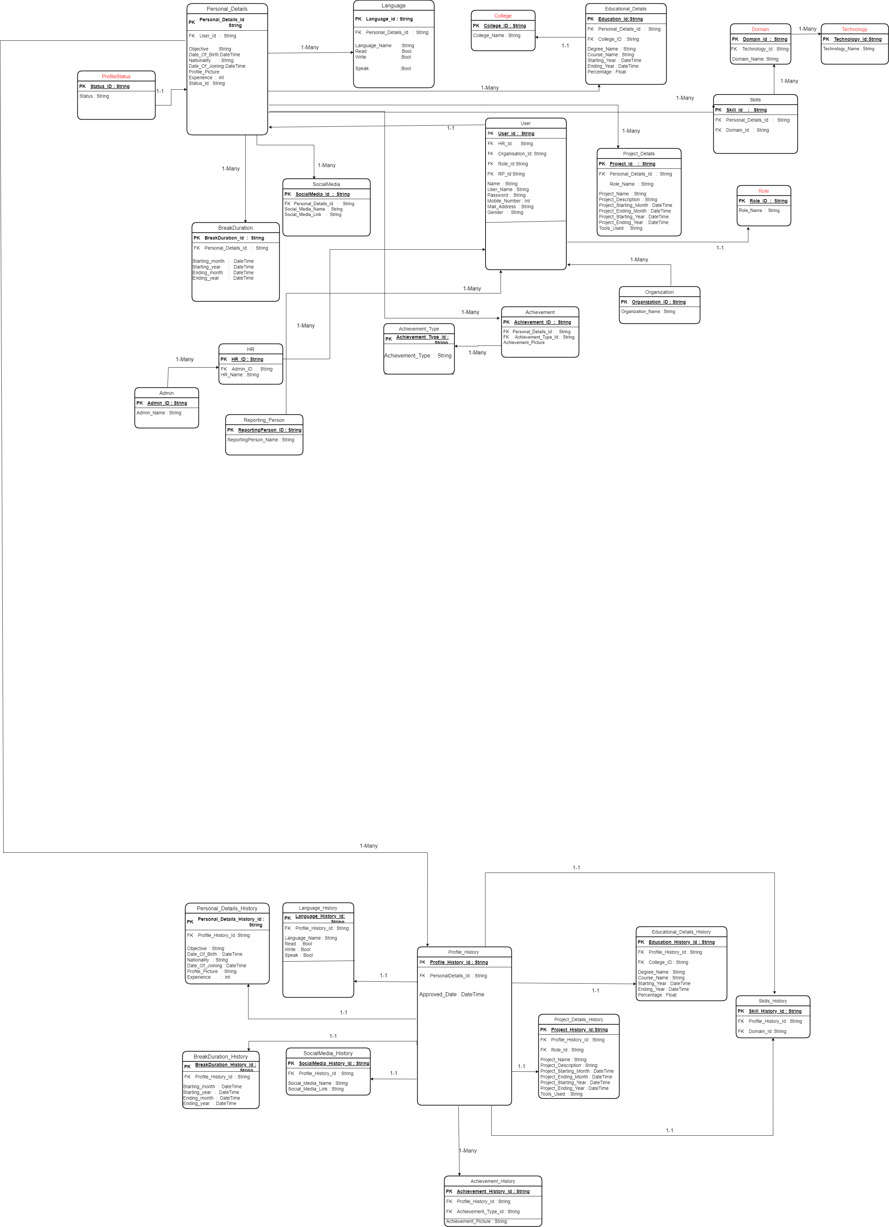

Interactions
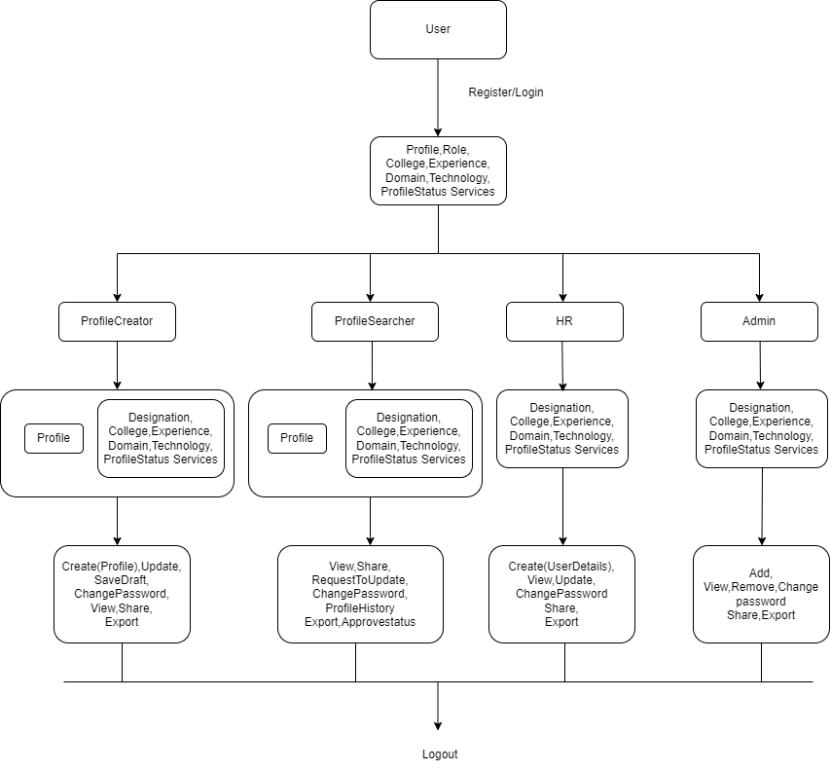

Work_flow
 |  | Work Flow

Profile Creator

 | Profile create

Register
Login
Create
Logout
View

 | Profile view

Login
View
Logout

 | Profile Update

View
Logout
Login
View
Update

 | Profile Download

Logout
Login
View
Download

Profile Searcher

 | Profile view

Register
Login
Search Profile
Filter
Select Profile
Profile View
Logout

 | Profile Download
Login
Select Profile
Profile View
Download
Logout
Search Profile
Filter

 | Request to update profile

Search
Filters
Select Profile
View
Request to update
Logout
Login

CREATOR
ADMIN
HR PARTNER

SEARCHER
LOGIN
LOGIN
LOGIN

If the user login's first time
ADMIN DASHBOARD
REGISTER NEW USER

CHANGE PASSWORD
LOGIN

If its a first visit after changing password
If its a daily visit

CREATE PROFILE
SEARCH PROFILE(S)
USING FILTERS
DASHBOARD
LIST OF USERS
MASTER DATA
SEND NOTIFICATION TO USER
ADD HR PARTNER

CREATE
UPDATE
VIEW
VIEW PROFILE
SELECT MATCHING PROFILE(S)
APPROVE / DECLINE USER(S) PROFILE(S)
VIEW USERS REPORTING UNDER
DELETE
VIEW
DELETE
LOGOUT

UPDATE PROFILE
DOWNLOAD
SHARE

VIEW PROFILE

UPDATE
DELETE

LOGOUT

LOGOUT
REQUEST TO UPDATE PROFILE
DOWNLOAD PROFILE
SHARE PROFILE

LOGOUT

Profile Search based on Filters

Login
Search
Filter
based on Experience
Profile view

Logout

Login
Search
Filter
based on Designation
Profile view

Logout

Login
Search
Filter
based on College
Profile view

Logout

Login
Search
Filter
based on Domain
Profile view

Logout

Login
Search
Filter
based on Project
Profile view

Logout

Hierarchy
 |  | Designation Hierarchy

CEO
SE

SSE | SE |  | Level 9

TL | SSE , SE

ML | TL ,SSE,SE
Vice President
PL | ML,TL,SSE,SE

PM | PL,ML,TL,SSE,SE |  | Level 8

DM | PM,PL,ML,TL,SSE,SE

SLO
SLO | DM,PM,PL,ML,TL,SSE,SE

Vice President | SLO,DM,PM,PL,ML,TL,SSE,SE

CEO | Vice President,SLO,DM,PM,PL,ML,TL,SSE,SE |  | Level 7

DM

 |  |  | Level 6

PM

 |  |  | Level 5

PL

 |  |  | Level 4

ML

 |  |  | Level 3

TL

 |  |  | Level 2

SSE

 |  |  | Level 1

SE

 |  |  | Level 0

